Sheet1
INSERT VALUES ON YELLOW COLORED CELLS
NOTE: RWTST > 1.5, RELIEFS IN FLANGES AND CORNERS = BEND RADIUS (All units in mm)
BEND RELIEF INSTANCE VALUES
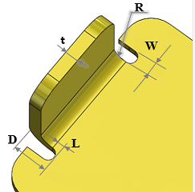
SHEET THICKNESS (t) | 3
BEND RADIUS (R) | 3
RELIEF WIDTH (W) | 1
RELIEF DEPTH (D) | 6
BEND EDGE TO RELIEF EDGE DISTANCE (L) | DEFAULT AT 0 OR COSTUM
RELIEF WIDTH TO SHEET THICKNESS (RWTST) | 3
RECOMMENDED RWTST VALUE | ACCEPTABLE

